Job Details

Job Number & Name: | 33487 Nutfield
Site Number/Name: | Site 3 - Marketfield Way/Station Road
Client: | Vectos
Date: | 2022-10-19
Weather: | Clear

PCU Values
Cars | 1.0
LGV | 1.0
OGV1 | 1.5
OGV2 | 2.3
PSV | 2.0
M/B | 0.4
Cyc | 0.2

Site Plan
Advanced Transport Research |  |  | Job Number & Name: | 33487 Nutfield
Site 3 - Marketfield Way/Station Road |  |  | Date: | 2022-10-19

Job Type: | Junction Count
Co-ordinates: | 51°14'24.71"N, 0°10'0.00"W | Postcode: | RH1 1NT |  | Times: | 0700-1900

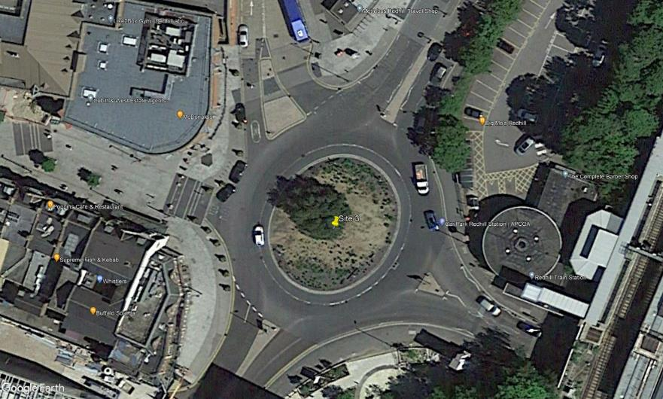
N
Quadrant
Princess Way

4
A
B

Station Road
3

E

5
1
C

2

D
Redstone Hill

Marketfield Way

Flow Diagram
Advanced Transport Research |  |  |  |  |  |  |  |  |  |  | Job Number & Name: | 33487 Nutfield |  |  | Advanced Transport Research |  |  |  |  |  |  |  |  |  |  | Job Number & Name: | 33487 Nutfield
Site 3 - Marketfield Way/Station Road |  |  |  |  |  |  |  |  |  |  | Client: | Vectos |  |  | Site 3 - Marketfield Way/Station Road |  |  |  |  |  |  |  |  |  |  | Client: | Vectos
Flow Diagram |  |  |  |  |  |  |  |  |  |  | Date: | 2022-10-19 |  |  | PCU Flow Diagram |  |  |  |  |  |  |  |  |  |  | Date: | 2022-10-19

Quadrant
Quadrant
Princess Way
Princess Way
Select Period |  | 7:00:00 |  |  |  |  |  |  |  |  |  |  |  |  |  |  | 7:00:00
 |  |  |  |  | 13 | 18 | A |  |  |  |  |  |  |  |  |  |  |  |  | 13.0 | 26.0 | A
 | E | 0 | A |  |  |  | 0 | 1 | 10 | 2 | 5 |  |  |  |  | E | 0.0 | A |  |  |  | 0.0 | 1.0 | 15.0 | 3.0 | 7.0
 |  | 0 | B |  |  |  | A | E | D | C | B |  |  | 176 |  |  | 0.0 | B |  |  |  | A | E | D | C | B |  |  | 187.1
 |  | 1 | C |  |  |  |  |  |  |  |  |  |  | 147 |  |  | 0.2 | C |  |  |  |  |  |  |  |  |  |  | 151.3
 |  | 1 | D |  |  |  |  |  |  |  |  | B | 16 | B |  |  | 2.3 | D |  |  |  |  |  |  |  |  | B | 19.0 | B
 |  | 0 | E |  |  |  |  |  |  |  |  | A | 2 |  |  |  | 0.0 | E |  |  |  |  |  |  |  |  | A | 2.0
 | 2 |  |  |  |  |  |  |  |  |  |  | E | 1 |  |  | 2.5 |  |  |  |  |  |  |  |  |  |  | E | 1.0
 | 2 |  |  |  |  |  |  |  |  |  |  | D | 100 |  |  | 2.0 |  |  |  |  |  |  |  |  |  |  | D | 98.7
Station Road
Station Road
 |  |  |  |  |  |  |  |  |  |  |  | C | 28 |  |  |  |  |  |  |  |  |  |  |  |  |  | C | 30.6

 | E | A | B | C | D |  |  | D | E | A | B | C |  |  |  | E | A | B | C | D |  |  | D | E | A | B | C
 | 0 | 8 | 97 | 31 | 2 |  |  | 34 | 0 | 3 | 58 | 0 |  |  |  | 0.0 | 8.0 | 101.9 | 32.8 | 2.0 |  |  | 34.9 | 0.0 | 3.0 | 59.2 | 0.0
 | D |  |  |  |  | 138 | 147 | C |  |  |  |  | 95 | 62 |  | D |  |  |  |  | 144.7 | 152.9 | C |  |  |  |  | 97.1 | 66.6
Marketfield Road
Redstone Hill
Marketfield Road
Redstone Hill

