Job Details

Job Number & Name: | 33487 Nutfield
Site Number/Name: | Site 6b - Bletchingley Road/Godstone Green Road
Client: | Vectos
Date: | 2022-10-19
Weather: | Clear

PCU Values
Cars | 1.0
LGV | 1.0
OGV1 | 1.5
OGV2 | 2.3
PSV | 2.0
M/B | 0.4
Cyc | 0.2

Site Plan
Advanced Transport Research |  |  | Job Number & Name: | 33487 Nutfield
Site 6b - Bletchingley Road/Godstone Green Road |  |  | Date: | 2022-10-19

Job Type: | Junction Count
Co-ordinates: | 51°14'53.33"N, 0° 4'5.31"W | Postcode: | RH9 8LN |  | Times: | 0700-1900

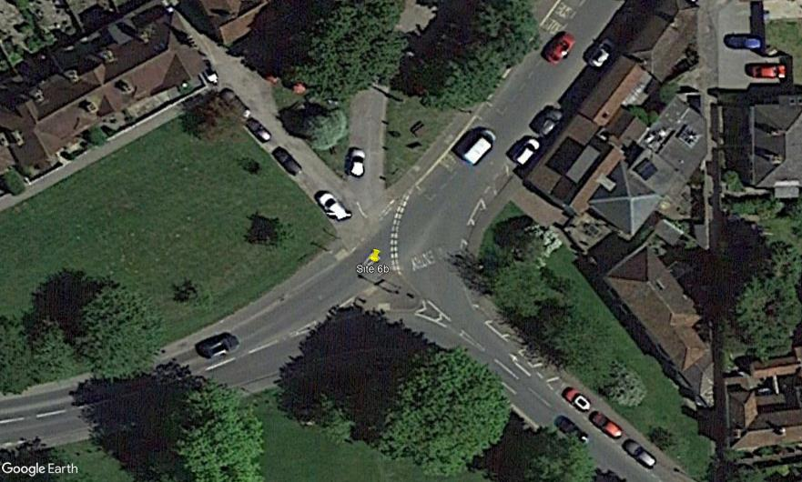
N
Bletchingley Road

2
Needles Bank

A
D

C
1
B

Bletchingley Road

Godstone Green Road

Flow Diagram
Advanced Transport Research |  |  |  |  |  |  |  |  |  |  | Job Number & Name: | 33487 Nutfield |  |  | Advanced Transport Research |  |  |  |  |  |  |  |  |  |  | Job Number & Name: | 33487 Nutfield
Site 6b - Bletchingley Road/Godstone Green Road |  |  |  |  |  |  |  |  |  |  | Client: | Vectos |  |  | Site 6b - Bletchingley Road/Godstone Green Road |  |  |  |  |  |  |  |  |  |  | Client: | Vectos
Flow Diagram |  |  |  |  |  |  |  |  |  |  | Date: | 2022-10-19 |  |  | PCU Flow Diagram |  |  |  |  |  |  |  |  |  |  | Date: | 2022-10-19

Bletchingley Road
Bletchingley Road
Select Period |  | 7:00:00 |  |  |  |  |  |  |  |  |  |  |  |  |  |  | 7:00:00
 |  |  |  |  |  |  | 102 | 0 | A |  |  |  |  |  |  |  |  |  |  |  |  | 103.9 | 0.0 | A
 |  |  |  |  |  |  |  |  | 0 | 0 | 0 | 0 |  |  |  |  |  |  |  |  |  |  |  | 0.0 | 0.0 | 0.0 | 0.0
 | D | 0 | A |  |  |  |  |  | A | D | C | B |  |  |  | D | 0.0 | A |  |  |  |  |  | A | D | C | B
 |  | 0 | B |  |  |  |  |  |  |  |  |  |  |  |  |  | 0.0 | B
Godstone Green Road
Godstone Green Road
 |  | 0 | C |  |  |  |  |  |  |  |  |  |  |  |  |  | 0.0 | C
 |  | 0 | D |  |  |  |  |  |  |  |  |  |  |  |  |  | 0.0 | D
 | 0 |  |  |  |  |  |  |  |  |  |  |  |  | 0 |  | 0.0 |  |  |  |  |  |  |  |  |  |  |  |  | 0.0
 | 0 |  |  |  |  |  |  |  |  |  |  |  |  | 108 |  | 0.0 |  |  |  |  |  |  |  |  |  |  |  |  | 115.3
Needles Bank
Needles Bank
 |  |  |  |  |  |  |  |  |  |  |  | B | 0 | B |  |  |  |  |  |  |  |  |  |  |  |  | B | 0.0 | B
 |  |  |  |  |  |  |  |  |  |  |  | A | 15 |  |  |  |  |  |  |  |  |  |  |  |  |  | A | 15.0
 |  |  |  |  |  |  |  |  |  |  |  | D | 0 |  |  |  |  |  |  |  |  |  |  |  |  |  | D | 0.0
 |  |  | D | A | B | C |  |  |  |  |  | C | 93 |  |  |  |  | D | A | B | C |  |  |  |  |  | C | 100.3
 |  |  | 0 | 87 | 0 | 0 |  |  |  |  |  |  |  |  |  |  |  | 0.0 | 88.9 | 0.0 | 0.0
Bletchingley Road
Bletchingley Road
 |  |  | C |  |  |  | 87 | 93 |  |  |  |  |  |  |  |  |  | C |  |  |  | 88.9 | 100.3

