Job Details

Job Number & Name: | 33487 Nutfield
Site Number/Name: | Site 1 - Nutfield RoadMid Street
Client: | Vectos
Date: | 2022-10-19
Weather: | Clear

Site Plan
Advanced Transport Research |  |  | Job Number & Name: | 33487 Nutfield
Site 1 - Nutfield RoadMid Street |  |  | Date: | 2022-10-19

Job Type: | Queue Lengths
Co-ordinates: | 51°14'19.12"N, 0° 7'54.06"W | Postcode: | RH1 4HF |  | Times: | 0700-1900

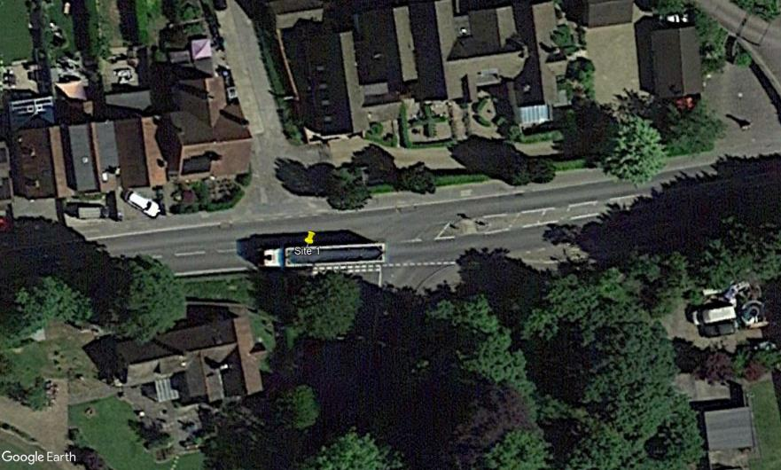
N
Park Works Road

Nutfield Road

Nutfield Road

Mid Street

