Job Details

Job Number & Name: | 33487 Nutfield
Site Number/Name: | Site 1 - Nutfield RoadMid Street
Client: | Vectos
Date: | 2022-10-19
Weather: | Clear

PCU Values
Cars | 1.0
LGV | 1.0
OGV1 | 1.5
OGV2 | 2.3
PSV | 2.0
M/B | 0.4
Cyc | 0.2

Site Plan
Advanced Transport Research |  |  | Job Number & Name: | 33487 Nutfield
Site 1 - Nutfield RoadMid Street |  |  | Date: | 2022-10-19

Job Type: | Junction Count
Co-ordinates: | 51°14'19.12"N, 0° 7'54.06"W | Postcode: | RH1 4HF |  | Times: | 0700-1900

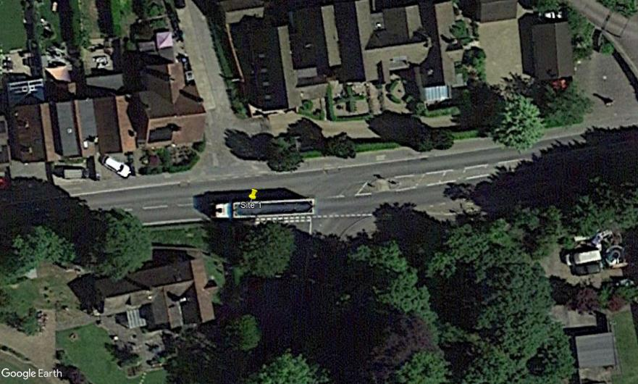
N
Park Works Road

A

2
Nutfield Road

1
B

Nutfield Road
D

3

C

Mid Street

Flow Diagram
Advanced Transport Research |  |  |  |  |  |  |  |  |  |  | Job Number & Name: | 33487 Nutfield |  |  | Advanced Transport Research |  |  |  |  |  |  |  |  |  |  | Job Number & Name: | 33487 Nutfield
Site 1 - Nutfield RoadMid Street |  |  |  |  |  |  |  |  |  |  | Client: | Vectos |  |  | Site 1 - Nutfield RoadMid Street |  |  |  |  |  |  |  |  |  |  | Client: | Vectos
Flow Diagram |  |  |  |  |  |  |  |  |  |  | Date: | 2022-10-19 |  |  | PCU Flow Diagram |  |  |  |  |  |  |  |  |  |  | Date: | 2022-10-19

Park Works Road
Park Works Road
Select Period |  | 7:00:00 |  |  |  |  |  |  |  |  |  |  |  |  |  |  | 7:00:00
 |  |  |  |  |  |  | 0 | 0 | A |  |  |  |  |  |  |  |  |  |  |  |  | 0.0 | 0.0 | A
 |  |  |  |  |  |  |  |  | 0 | 0 | 0 | 0 |  |  |  |  |  |  |  |  |  |  |  | 0.0 | 0.0 | 0.0 | 0.0
 | D | 0 | A |  |  |  |  |  | A | D | C | B |  |  |  | D | 0.0 | A |  |  |  |  |  | A | D | C | B
 |  | 46 | B |  |  |  |  |  |  |  |  |  |  |  |  |  | 46.0 | B
Nutfield Road
Nutfield Road
 |  | 5 | C |  |  |  |  |  |  |  |  |  |  |  |  |  | 5.0 | C
 |  | 0 | D |  |  |  |  |  |  |  |  |  |  |  |  |  | 0.0 | D
 | 51 |  |  |  |  |  |  |  |  |  |  |  |  | 70 |  | 51.0 |  |  |  |  |  |  |  |  |  |  |  |  | 70.0
 | 74 |  |  |  |  |  |  |  |  |  |  |  |  | 84 |  | 75.1 |  |  |  |  |  |  |  |  |  |  |  |  | 85.1
Nutfield Road
Nutfield Road
 |  |  |  |  |  |  |  |  |  |  |  | B | 0 | B |  |  |  |  |  |  |  |  |  |  |  |  | B | 0.0 | B
 |  |  |  |  |  |  |  |  |  |  |  | A | 0 |  |  |  |  |  |  |  |  |  |  |  |  |  | A | 0.0
 |  |  |  |  |  |  |  |  |  |  |  | D | 67 |  |  |  |  |  |  |  |  |  |  |  |  |  | D | 68.1
 |  |  | D | A | B | C |  |  |  |  |  | C | 17 |  |  |  |  | D | A | B | C |  |  |  |  |  | C | 17.0
 |  |  | 7 | 0 | 24 | 0 |  |  |  |  |  |  |  |  |  |  |  | 7.0 | 0.0 | 24.0 | 0.0
Mid Street
Mid Street
 |  |  | C |  |  |  | 31 | 22 |  |  |  |  |  |  |  |  |  | C |  |  |  | 31.0 | 22.0

