Job Details

Job Number & Name: | 33487 Nutfield
Site Number/Name: | Site 6a - High Street/Bletchingley Road
Client: | Vectos
Date: | 2022-10-19
Weather: | Clear

Site Plan
Advanced Transport Research |  |  | Job Number & Name: | 33487 Nutfield
Site 6a - High Street/Bletchingley Road |  |  | Date: | 2022-10-19

Job Type: | Queue Lengths
Co-ordinates: | 51°14'56.59"N, 0° 4'1.05"W | Postcode: | RH9 8LW |  | Times: | 0700-1900

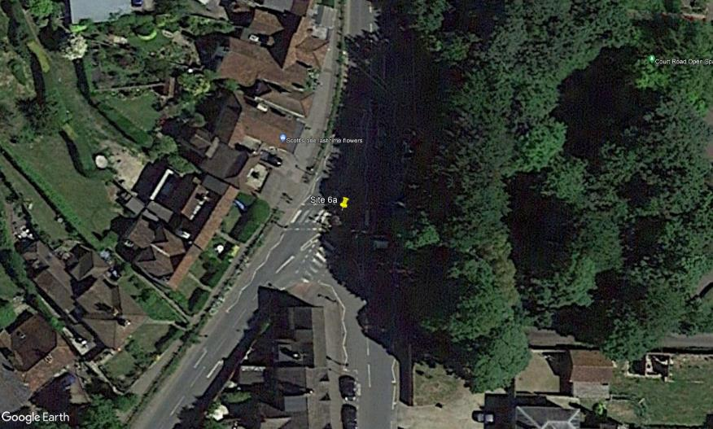
N
High Street

Bletchingley Road
High Street

