Job Details

Job Number & Name: | 33487 Nutfield
Site Number/Name: | Site 2 - Nutfield Road/Cooper's Hill Road
Client: | Vectos
Date: | 2022-10-19
Weather: | Clear

PCU Values
Cars | 1.0
LGV | 1.0
OGV1 | 1.5
OGV2 | 2.3
PSV | 2.0
M/B | 0.4
Cyc | 0.2

Site Plan
Advanced Transport Research |  |  | Job Number & Name: | 33487 Nutfield
Site 2 - Nutfield Road/Cooper's Hill Road |  |  | Date: | 2022-10-19

Job Type: | Junction Count
Co-ordinates: | 51°14'23.18"N, 0° 7'30.73"W | Postcode: | RH1 4HH |  | Times: | 0700-1900

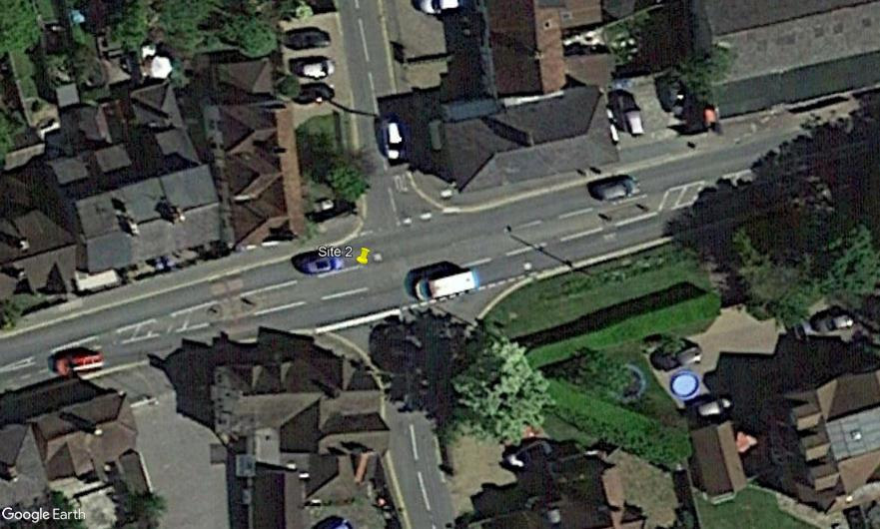
N
Church Hill

A
Bletchingley Road

3
B

1

D
2
Nutfield Road

C

Cooper's Hill Road

Flow Diagram
Advanced Transport Research |  |  |  |  |  |  |  |  |  |  | Job Number & Name: | 33487 Nutfield |  |  | Advanced Transport Research |  |  |  |  |  |  |  |  |  |  | Job Number & Name: | 33487 Nutfield
Site 2 - Nutfield Road/Cooper's Hill Road |  |  |  |  |  |  |  |  |  |  | Client: | Vectos |  |  | Site 2 - Nutfield Road/Cooper's Hill Road |  |  |  |  |  |  |  |  |  |  | Client: | Vectos
Flow Diagram |  |  |  |  |  |  |  |  |  |  | Date: | 2022-10-19 |  |  | PCU Flow Diagram |  |  |  |  |  |  |  |  |  |  | Date: | 2022-10-19

Church Hill
Church Hill
Select Period |  | 7:00:00 |  |  |  |  |  |  |  |  |  |  |  |  |  |  | 7:00:00
 |  |  |  |  |  |  | 30 | 18 | A |  |  |  |  |  |  |  |  |  |  |  |  | 29.4 | 18.0 | A
 |  |  |  |  |  |  |  |  | 0 | 3 | 4 | 11 |  |  |  |  |  |  |  |  |  |  |  | 0.0 | 3.0 | 4.0 | 11.0
 | D | 4 | A |  |  |  |  |  | A | D | C | B |  |  |  | D | 4.0 | A |  |  |  |  |  | A | D | C | B
 |  | 59 | B |  |  |  |  |  |  |  |  |  |  |  |  |  | 59.0 | B
Bletchingley Road
Bletchingley Road
 |  | 6 | C |  |  |  |  |  |  |  |  |  |  |  |  |  | 6.0 | C
 |  | 0 | D |  |  |  |  |  |  |  |  |  |  |  |  |  | 0.0 | D
 | 69 |  |  |  |  |  |  |  |  |  |  |  |  | 81 |  | 69.0 |  |  |  |  |  |  |  |  |  |  |  |  | 81.0
 | 82 |  |  |  |  |  |  |  |  |  |  |  |  | 99 |  | 82.6 |  |  |  |  |  |  |  |  |  |  |  |  | 99.6
Nutfield Road
Nutfield Road
 |  |  |  |  |  |  |  |  |  |  |  | B | 0 | B |  |  |  |  |  |  |  |  |  |  |  |  | B | 0.0 | B
 |  |  |  |  |  |  |  |  |  |  |  | A | 17 |  |  |  |  |  |  |  |  |  |  |  |  |  | A | 17.0
 |  |  |  |  |  |  |  |  |  |  |  | D | 74 |  |  |  |  |  |  |  |  |  |  |  |  |  | D | 74.6
 |  |  | D | A | B | C |  |  |  |  |  | C | 8 |  |  |  |  | D | A | B | C |  |  |  |  |  | C | 8.0
 |  |  | 5 | 9 | 11 | 0 |  |  |  |  |  |  |  |  |  |  |  | 5.0 | 8.4 | 11.0 | 0.0
Cooper's Hill Road
Cooper's Hill Road
 |  |  | C |  |  |  | 25 | 18 |  |  |  |  |  |  |  |  |  | C |  |  |  | 24.4 | 18.0

