Job Details

Job Number & Name: | 33487 Nutfield
Site Number/Name: | Site 2 - Nutfield Road/Cooper's Hill Road
Client: | Vectos
Date: | 2022-10-19
Weather: | Clear

Site Plan
Advanced Transport Research |  |  | Job Number & Name: | 33487 Nutfield
Site 2 - Nutfield Road/Cooper's Hill Road |  |  | Date: | 2022-10-19

Job Type: | Queue Lengths
Co-ordinates: | 51°14'23.18"N, 0° 7'30.73"W | Postcode: | RH1 4HH |  | Times: | 0700-1900

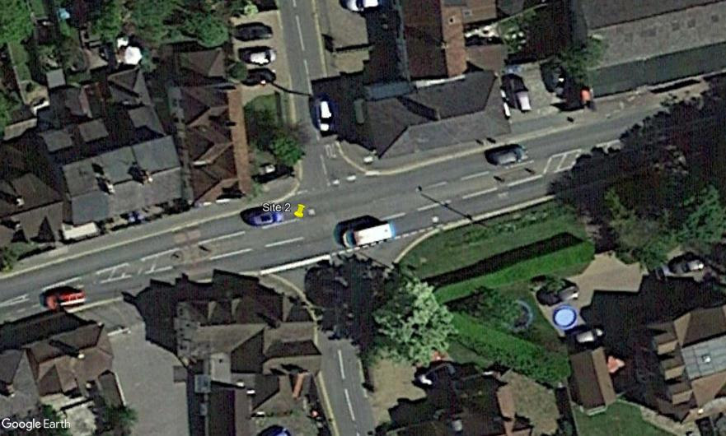
N
Church Hill

Bletchingley Road

Nutfield Road

Cooper's Hill Road

