Job Details

Job Number & Name: | 33487 Nutfield
Site Number/Name: | Site 3 - Marketfield Way/Station Road
Client: | Vectos
Date: | 2022-10-19
Weather: | Clear

Site Plan
Advanced Transport Research |  |  | Job Number & Name: | 33487 Nutfield
Site 3 - Marketfield Way/Station Road |  |  | Date: | 2022-10-19

Job Type: | Queue Lengths
Co-ordinates: | 51°14'24.71"N, 0°10'0.00"W | Postcode: | RH1 1NT |  | Times: | 0700-1900

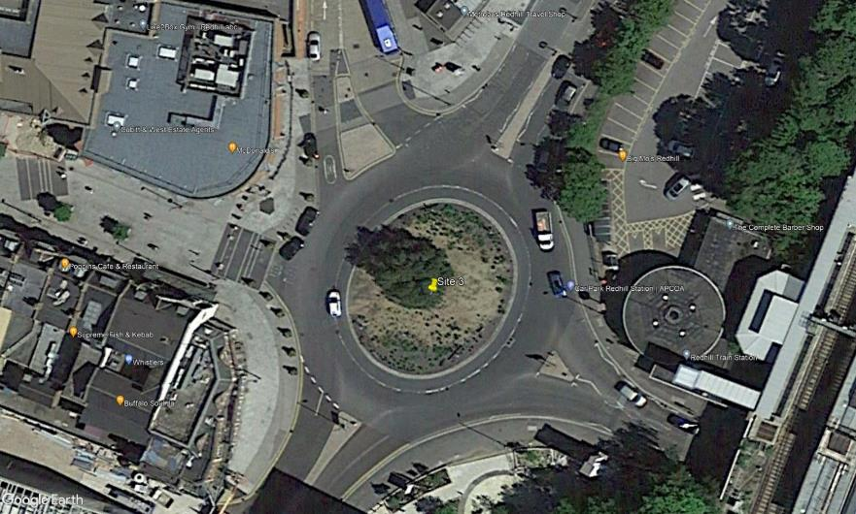
N
Quadrant
Princess Way

Station Road

Redstone Hill

Marketfield Way

