Job Details

Job Number & Name: | 33487 Nutfield
Site Number/Name: | Site 5 - Oxted Road/High Street
Client: | Vectos
Date: | 2022-10-19
Weather: | Clear

Site Plan
Advanced Transport Research |  |  | Job Number & Name: | 33487 Nutfield
Site 5 - Oxted Road/High Street |  |  | Date: | 2022-10-19

Job Type: | Queue Lengths
Co-ordinates: | 51°15'8.81"N, 0° 4'0.17"W | Postcode: | RH9 8AJ |  | Times: | 0700-1900

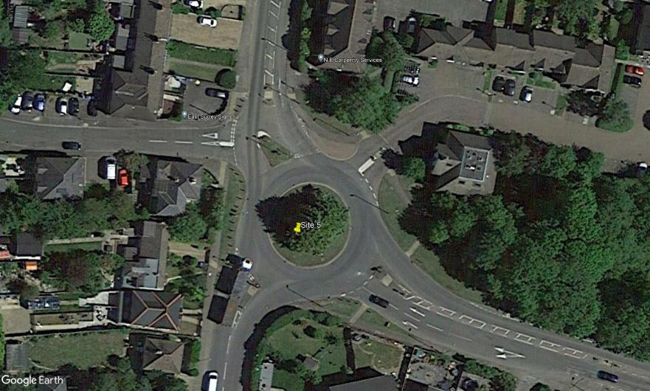
N
Godstone Hill

Crowhurst Mead
Catlin Gardens

Oxted Road
High Street

