Job Details

Job Number & Name: | 33487 Nutfield
Site Number/Name: | Site 4 - Redstone Hill/Noke Drive
Client: | Vectos
Date: | 2022-10-19
Weather: | Clear

PCU Values
Cars | 1.0
LGV | 1.0
OGV1 | 1.5
OGV2 | 2.3
PSV | 2.0
M/B | 0.4
Cyc | 0.2

Site Plan
Advanced Transport Research |  |  | Job Number & Name: | 33487 Nutfield
Site 4 - Redstone Hill/Noke Drive |  |  | Date: | 2022-10-19

Job Type: | Junction Count
Co-ordinates: | 51°14'22.79"N, 0° 9'54.16"W | Postcode: | RH1 1AA |  | Times: | 0700-1900

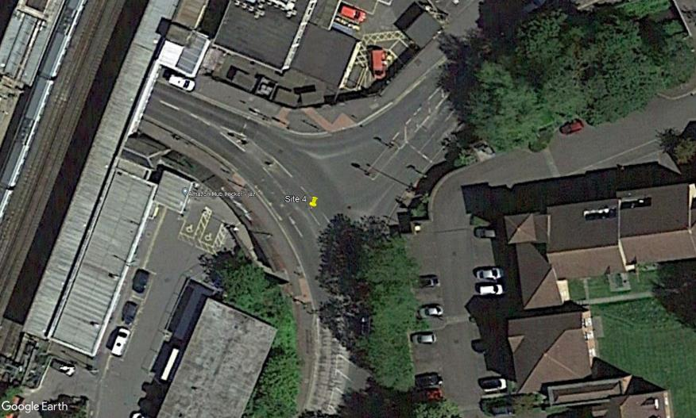
N
Noke Drive

4

Redstone Hill
5
A
B
3

2

C

1
Redstone Hill

Flow Diagram
Advanced Transport Research |  |  |  |  |  |  |  |  | Job Number & Name: | 33487 Nutfield |  |  | Advanced Transport Research |  |  |  |  |  |  |  |  | Job Number & Name: | 33487 Nutfield
Site 4 - Redstone Hill/Noke Drive |  |  |  |  |  |  |  |  | Client: | Vectos |  |  | Site 4 - Redstone Hill/Noke Drive |  |  |  |  |  |  |  |  | Client: | Vectos
Flow Diagram |  |  |  |  |  |  |  |  | Date: | 2022-10-19 |  |  | PCU Flow Diagram |  |  |  |  |  |  |  |  | Date: | 2022-10-19

Redstone Hill
Redstone Hill
Select Period | 7:00:00 |  |  |  |  |  |  |  |  |  |  |  |  | 7:00:00
 |  |  |  |  | 89 | 60 | A |  |  |  |  |  |  |  |  |  |  | 90.1 | 66.7 | A
 |  |  |  |  |  |  | 0 | 43 | 17 |  |  |  |  |  |  |  |  |  |  | 0.0 | 48.7 | 18.0
 |  |  |  |  |  |  | A | C | B |  |  |  |  |  |  |  |  |  |  | A | C | B

Noke Drive
Noke Drive

 |  |  |  |  |  |  |  |  |  |  |  | 19 |  |  |  |  |  |  |  |  |  |  |  |  | 19.2
 |  |  |  |  |  |  |  |  |  |  |  | 25 |  |  |  |  |  |  |  |  |  |  |  |  | 25.5
 |  |  |  |  |  |  |  |  |  | B | 0 | B |  |  |  |  |  |  |  |  |  |  | B | 0.0 | B
 |  |  |  |  |  |  |  |  |  | A | 16 |  |  |  |  |  |  |  |  |  |  |  | A | 16.5
 |  |  |  |  |  |  |  |  |  | C | 9 |  |  |  |  |  |  |  |  |  |  |  | C | 9.0
 |  | A | B | C |  |  |  |  |  |  |  |  |  |  | A | B | C
 |  | 73 | 2 | 0 |  |  |  |  |  |  |  |  |  |  | 73.6 | 1.2 | 0.0
Redstone Hill
Redstone Hill
 |  | C |  |  | 75 | 52 |  |  |  |  |  |  |  |  | C |  |  | 74.8 | 57.7

