Job Details

Job Number & Name: | 33487 Nutfield
Site Number/Name: | Site 5 - Oxted Road/High Street
Client: | Vectos
Date: | 2022-10-19
Weather: | Clear

PCU Values
Cars | 1.0
LGV | 1.0
OGV1 | 1.5
OGV2 | 2.3
PSV | 2.0
M/B | 0.4
Cyc | 0.2

Site Plan
Advanced Transport Research |  |  | Job Number & Name: | 33487 Nutfield
Site 5 - Oxted Road/High Street |  |  | Date: | 2022-10-19

Job Type: | Junction Count
Co-ordinates: | 51°15'8.81"N, 0° 4'0.17"W | Postcode: | RH9 8AJ |  | Times: | 0700-1900

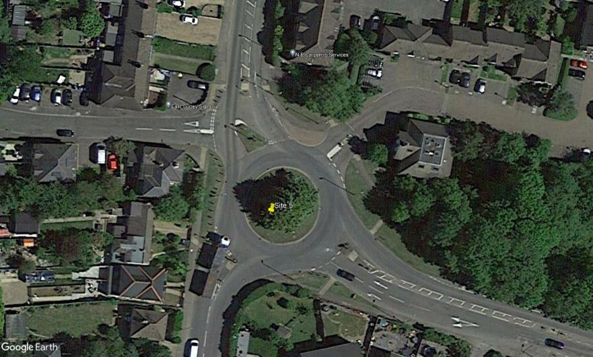
N
Godstone Hill

A

2
Crowhurst Mead
Catlin Gardens
B
E
3
1

8
4
7

6
5
C
D

Oxted Road
High Street

Flow Diagram
Advanced Transport Research |  |  |  |  |  |  |  |  |  |  | Job Number & Name: | 33487 Nutfield |  |  | Advanced Transport Research |  |  |  |  |  |  |  |  |  |  | Job Number & Name: | 33487 Nutfield
Site 5 - Oxted Road/High Street |  |  |  |  |  |  |  |  |  |  | Client: | Vectos |  |  | Site 5 - Oxted Road/High Street |  |  |  |  |  |  |  |  |  |  | Client: | Vectos
Flow Diagram |  |  |  |  |  |  |  |  |  |  | Date: | 2022-10-19 |  |  | PCU Flow Diagram |  |  |  |  |  |  |  |  |  |  | Date: | 2022-10-19

Godstone Hill
Godstone Hill
Crowhurst Mead
Crowhurst Mead
Select Period |  | 7:00:00 |  |  |  |  |  |  |  |  |  |  |  |  |  |  | 7:00:00
 |  |  |  |  | 114 | 79 | A |  |  |  |  |  |  |  |  |  |  |  |  | 118.5 | 87.5 | A
 | E | 6 | A |  |  |  | 1 | 0 | 71 | 7 | 0 |  |  |  |  | E | 6.0 | A |  |  |  | 1.0 | 0.0 | 79.5 | 7.0 | 0.0
 |  | 0 | B |  |  |  | A | E | D | C | B |  |  | 0 |  |  | 0.0 | B |  |  |  | A | E | D | C | B |  |  | 0.0
 |  | 0 | C |  |  |  |  |  |  |  |  |  |  | 2 |  |  | 0.0 | C |  |  |  |  |  |  |  |  |  |  | 2.0
 |  | 0 | D |  |  |  |  |  |  |  |  | B | 0 | B |  |  | 0.0 | D |  |  |  |  |  |  |  |  | B | 0.0 | B
 |  | 0 | E |  |  |  |  |  |  |  |  | A | 1 |  |  |  | 0.0 | E |  |  |  |  |  |  |  |  | A | 1.0
 | 6 |  |  |  |  |  |  |  |  |  |  | E | 1 |  |  | 6.0 |  |  |  |  |  |  |  |  |  |  | E | 1.0
 | 3 |  |  |  |  |  |  |  |  |  |  | D | 0 |  |  | 3.0 |  |  |  |  |  |  |  |  |  |  | D | 0.0
Catlin Gardens
Catlin Gardens
 |  |  |  |  |  |  |  |  |  |  |  | C | 0 |  |  |  |  |  |  |  |  |  |  |  |  |  | C | 0.0

 | E | A | B | C | D |  |  | D | E | A | B | C |  |  |  | E | A | B | C | D |  |  | D | E | A | B | C
 | 1 | 74 | 0 | 18 | 0 |  |  | 36 | 1 | 32 | 0 | 0 |  |  |  | 1.0 | 75.7 | 0.0 | 19.0 | 0.0 |  |  | 34.8 | 1.0 | 34.8 | 0.0 | 0.0
 | D |  |  |  |  | 93 | 107 | C |  |  |  |  | 69 | 25 |  | D |  |  |  |  | 95.7 | 114.3 | C |  |  |  |  | 70.6 | 26.0
High Street
Oxted Road
High Street
Oxted Road

