Job Details

Job Number & Name: | 33487 Nutfield
Site Number/Name: | Site 6a - High Street/Bletchingley Road
Client: | Vectos
Date: | 2022-10-19
Weather: | Clear

PCU Values
Cars | 1.0
LGV | 1.0
OGV1 | 1.5
OGV2 | 2.3
PSV | 2.0
M/B | 0.4
Cyc | 0.2

Site Plan
Advanced Transport Research |  |  | Job Number & Name: | 33487 Nutfield
Site 6a - High Street/Bletchingley Road |  |  | Date: | 2022-10-19

Job Type: | Junction Count
Co-ordinates: | 51°14'56.59"N, 0° 4'1.05"W | Postcode: | RH9 8LW |  | Times: | 0700-1900

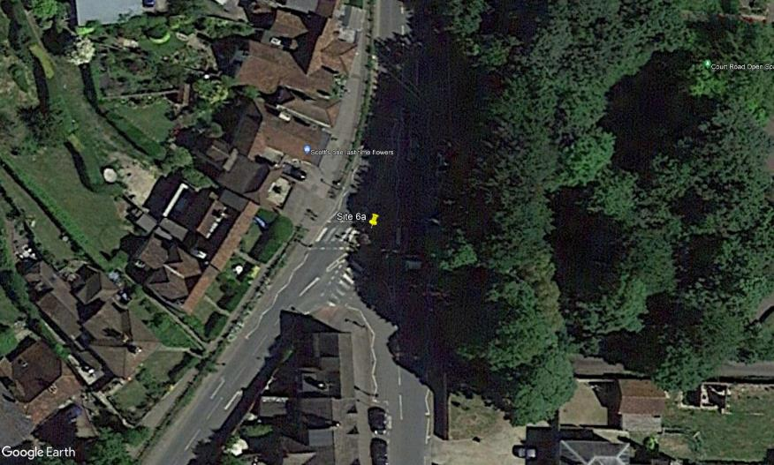
N
High Street

A

1

C

2
B

Bletchingley Road
High Street

Flow Diagram
Advanced Transport Research |  |  |  |  |  |  |  |  |  |  | Job Number & Name: | 33487 Nutfield | Advanced Transport Research |  |  |  |  |  |  |  |  |  |  | Job Number & Name: | 33487 Nutfield
Site 6a - High Street/Bletchingley Road |  |  |  |  |  |  |  |  |  |  | Client: | Vectos | Site 6a - High Street/Bletchingley Road |  |  |  |  |  |  |  |  |  |  | Client: | Vectos
Flow Diagram |  |  |  |  |  |  |  |  |  |  | Date: | 2022-10-19 | PCU Flow Diagram |  |  |  |  |  |  |  |  |  |  | Date: | 2022-10-19

High Street
High Street
Select Period |  | 7:00:00 |  |  |  |  |  |  |  |  |  |  |  |  | 7:00:00
 |  |  |  |  |  |  | 97 | 103 | A |  |  |  |  |  |  |  |  |  |  | 98.4 | 111.3 | A
 |  |  |  |  |  |  |  |  | 0 | 0 | 103 |  |  |  |  |  |  |  |  |  |  | 0.0 | 0.0 | 111.3
 |  |  |  |  |  |  |  |  | A | C | B |  |  |  |  |  |  |  |  |  |  | A | C | B
 | C | 97 | A |  |  |  |  |  |  |  |  |  |  | C | 98.4 | A
 |  | 4 | B |  |  |  |  |  |  |  |  |  |  |  | 4.0 | B
 |  | 0 | C |  |  |  |  |  |  |  |  |  |  |  | 0.0 | C
 | 101 |  |  |  |  |  |  |  |  |  |  |  |  | 102.4
 | 0 |  |  |  |  |  |  |  |  |  |  |  |  | 0.0
Bletchingley Road
Bletchingley Road

High Street
High Street
 |  |  |  | C | A | B |  |  |  |  |  |  |  |  |  |  | C | A | B
 |  |  |  | 0 | 0 | 0 |  |  |  |  |  |  |  |  |  |  | 0.0 | 0.0 | 0.0
 |  |  |  | B |  |  | 0 | 107 |  |  |  |  |  |  |  |  | B |  |  | 0.0 | 115.3

