Job Details

Job Number & Name: | 33487 Nutfield
Site Number/Name: | Site 4 - Redstone Hill/Noke Drive
Client: | Vectos
Date: | 2022-10-19
Weather: | Clear

Site Plan
Advanced Transport Research |  |  | Job Number & Name: | 33487 Nutfield
Site 4 - Redstone Hill/Noke Drive |  |  | Date: | 2022-10-19

Job Type: | Queue Lengths
Co-ordinates: | 51°14'22.79"N, 0° 9'54.16"W | Postcode: | RH1 1AA |  | Times: | 0700-1900

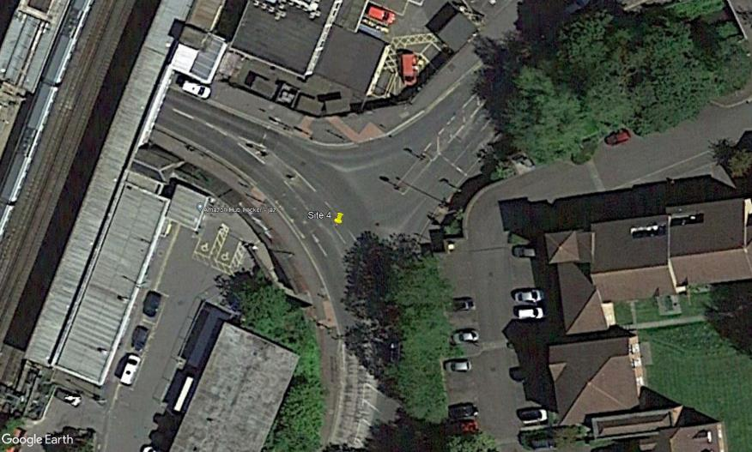
N
Noke Drive

Redstone Hill

Redstone Hill

