Job Details

Job Number & Name: | 33487 Nutfield
Site Number/Name: | Site 6c - High Street/Godstone Green Road
Client: | Vectos
Date: | 2022-10-19
Weather: | Clear

PCU Values
Cars | 1.0
LGV | 1.0
OGV1 | 1.5
OGV2 | 2.3
PSV | 2.0
M/B | 0.4
Cyc | 0.2

Site Plan
Advanced Transport Research |  |  | Job Number & Name: | 33487 Nutfield
Site 6c - High Street/Godstone Green Road |  |  | Date: | 2022-10-19

Job Type: | Junction Count
Co-ordinates: | 51°14'51.15"N, 0° 4'0.74"W | Postcode: | RH9 8DT |  | Times: | 0700-1900

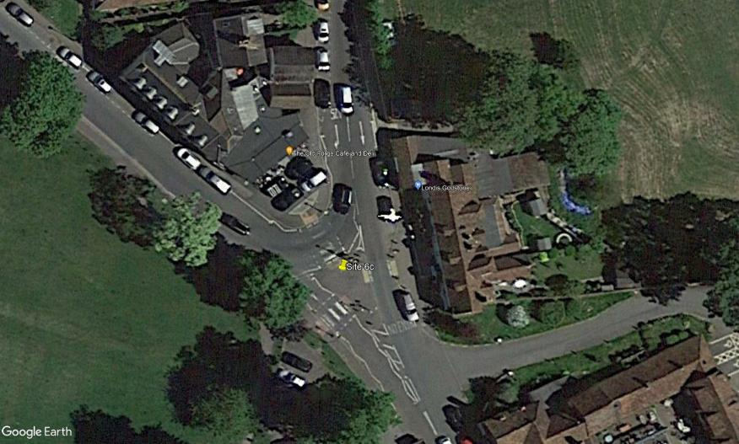
N
High Street

Godstone Green Road
A

C
1

3
2

B

Godstone Green Road

Flow Diagram
Advanced Transport Research |  |  |  |  |  |  |  |  |  |  | Job Number & Name: | 33487 Nutfield | Advanced Transport Research |  |  |  |  |  |  |  |  |  |  | Job Number & Name: | 33487 Nutfield
Site 6c - High Street/Godstone Green Road |  |  |  |  |  |  |  |  |  |  | Client: | Vectos | Site 6c - High Street/Godstone Green Road |  |  |  |  |  |  |  |  |  |  | Client: | Vectos
Flow Diagram |  |  |  |  |  |  |  |  |  |  | Date: | 2022-10-19 | PCU Flow Diagram |  |  |  |  |  |  |  |  |  |  | Date: | 2022-10-19

High Street
High Street
Select Period |  | 7:00:00 |  |  |  |  |  |  |  |  |  |  |  |  | 7:00:00
 |  |  |  |  |  |  | 0 | 107 | A |  |  |  |  |  |  |  |  |  |  | 0.0 | 115.3 | A
 |  |  |  |  |  |  |  |  | 0 | 91 | 16 |  |  |  |  |  |  |  |  |  |  | 0.0 | 98.3 | 17.0
 |  |  |  |  |  |  |  |  | A | C | B |  |  |  |  |  |  |  |  |  |  | A | C | B
 | C | 0 | A |  |  |  |  |  |  |  |  |  |  | C | 0.0 | A
 |  | 0 | B |  |  |  |  |  |  |  |  |  |  |  | 0.0 | B
 |  | 0 | C |  |  |  |  |  |  |  |  |  |  |  | 0.0 | C
 | 0 |  |  |  |  |  |  |  |  |  |  |  |  | 0.0
 | 112 |  |  |  |  |  |  |  |  |  |  |  |  | 119.8
Godstone Green Road
Godstone Green Road

Godstone Green Road
Godstone Green Road
 |  |  |  | C | A | B |  |  |  |  |  |  |  |  |  |  | C | A | B
 |  |  |  | 21 | 0 | 0 |  |  |  |  |  |  |  |  |  |  | 21.5 | 0.0 | 0.0
 |  |  |  | B |  |  | 21 | 16 |  |  |  |  |  |  |  |  | B |  |  | 21.5 | 17.0

